Sheet1
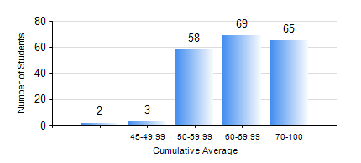
 |  |  | KWAME NKRUMAH UNIVERSITY OF SCIENCE AND TECHNOLOGY, KUMASI Department of Electrical/Electronic Engineering

 |  |  | BSC. ELECTRICAL/ELECTRONIC ENG.

 |  |  | COMPREHENSIVE RECORD OF EXAMINATION RESULTS

 |  |  | RESULTS OF YEAR 4 FIRST SEMESTER, 2022/2023 ACADEMIC YEAR

 | Sn | Course Code |  | Course Name | Credit Hours | Min. Mark | Max. Mark | Avg. Mark | Std. Dev. | No. Passed | No. Trailed | No. (Df) | No. (I) | No. (I*) | No. Tagged(I,I*,Df) | Total
 | 0. |  |  |  |  |  |  | 0 | 0 | 0 | 0 | 0 | 0 | 0 | 0 | 2
 | 1. | COE 475 |  | COMPUTER NETWORKING | 4 | 44 | 98 | 73 | 12.56 | 195 | 0 | 0 | 0 | 0 | 0 | 195
 | 2. | EE 153 |  | ENGINEERING TECHNOLOGY | 2 | 70 | 70 | 70 | 0 | 1 | 0 | 0 | 0 | 0 | 0 | 1
 | 3. | EE 463 |  | SPECIAL ELECTRICAL MACHINES | 3 | 40 | 86 | 66 | 12.87 | 119 | 0 | 0 | 0 | 0 | 0 | 119
 | 4. | EE 467 |  | POWER SYSTEMS OPERATION AND CONTROL | 3 | 40 | 86 | 62 | 12.52 | 195 | 0 | 0 | 0 | 0 | 0 | 195
 | 5. | EE 489 |  | INDUSTRIAL TRAINING | 1 | 71 | 95 | 86 | 5.03 | 195 | 0 | 0 | 0 | 0 | 0 | 195
 | 6. | EE 497 |  | PROJECT I | 3 | 57 | 85 | 76 | 5.98 | 195 | 0 | 0 | 0 | 0 | 0 | 195
 | 7. | ME 491 |  | ENGINEERING ECONOMICS AND MANAGEMENT | 3 | 19 | 88 | 71 | 10.51 | 194 | 1 | 0 | 0 | 0 | 0 | 195
 | 8. | TE 481 |  | WIRELESS DATA COMMUNICATION NETWORK | 3 | 40 | 92 | 62 | 14.06 | 78 | 0 | 0 | 0 | 0 | 0 | 78

